Intro to the mapping tools
Introduction to the mapping tools
This set of mapping tools have been created to help you understand Code of Practice Edition 2.0 and answer some of the common questions we have received such as 'How does the Code relate to the ESS principles'. We hope you find it useful. We are planning on hosting similar functionality directly within the interactive Code in due course. If you have any feedback or need any assistance using the tool please email regulation@statistics.gov.uk.

Throughout the tools, practices are referenced using a letter/number combination. | Mapping tools
For practices from Code 1.0, those beginning with a 'P' are practices from the main body of the Code while those beginning 'Pr' are practices from the 3 protocols of Code 1.0. | Code Edition 1.0 to Code Edition 2.0
 | This tool allows you to choose a practice from Code 1.0 and see which practice or practices it maps to in Code 2.0. This can be useful if you want to see how we have incorporated previous Code content into the refreshed edition.
Practices from Code 2.0 begin with either 'T', 'Q' or 'V'. These relate to the 3 pillars of Code 2.0, T for the Trustworthiness, Q for the Quality, and V for the Value practices.

How to use the tools | Code Edition 2.0 to Code Edition 1.0
Within each mapping tool you can filter on the aspect you are interested in by using the dropdown in Cell 9B | This tool allows you to choose a practice from Code 2.0 and see which practice or practices it maps to in Code 1.0. This can be useful if you want to track a particular practice back to the first edition of the Code.

Once selected you should see a list of the relevant practices from the Code listed in the results table below.
 | Code Edition 2.0 and European Statistics Code of Practice (ES CoP)
 | This tool allows you to choose a principle from the ES CoP and see which Code practices are relevant in that area. The elements of the ES CoP are spread throughout the Code and using this tool you can see where they are incorporated.
Filter on multiple items
You do have the option of filtering on more than one interest area at a time. In the drop down filter you can check the 'Select Multiple Items' box.

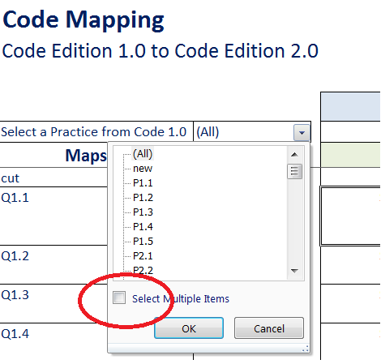
 | Code Edition 2.0 and UN National Quality Assurance Framework (NQAF)
 | This tool allows you to choose a component from the UN NQAF and see which Code practices are relevant in that area. This can be useful to understand how the components of the NQAF are reflected in Code 2.0.

 | Code Edition 2.0 and Cross Cutting Themes
 | Across the three pillars of the Code 2.0 there are a number of cross cutting themes or commitments. This tool allows you to select one of those themes and see which practices are relevant to it.

 | Code Edition 2.0 and Professional Groups
 | Everyone working in producer organisations have responsibilities under the Code of Practice. This tool allows you to select a professional group to see some of the more relevant practices which may apply to a particular group.

 | Hints and Tips
 | If you want to see which Code Edition 1.0 practices have been cut from Code Edition 2.0, go to the 'Code 2.0 to Code 1.0 Mapping' tool and select 'cut' from the dropdown filter.
You should then be all to select more than one aspect of interest

Row resizing
After you filter on an aspect of interest, you may need to resize the row height in results table to see the complete text. To do this select the rows you wish to resize by selecting from the left hand side ruler | If you want to see the new Code Edition 2.0 practices, go to the 'Code 1.0 to Code 2.0 Mapping' tool and select 'new' from the dropdown filter.

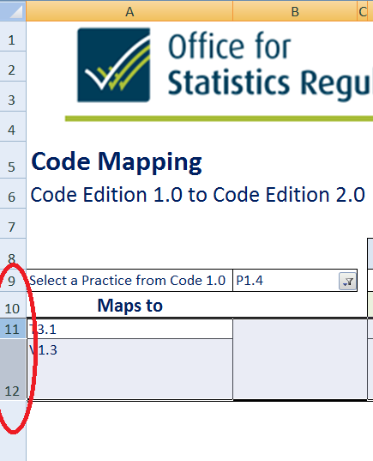

and choosing 'AutoFit Row Height' from the Format menu.

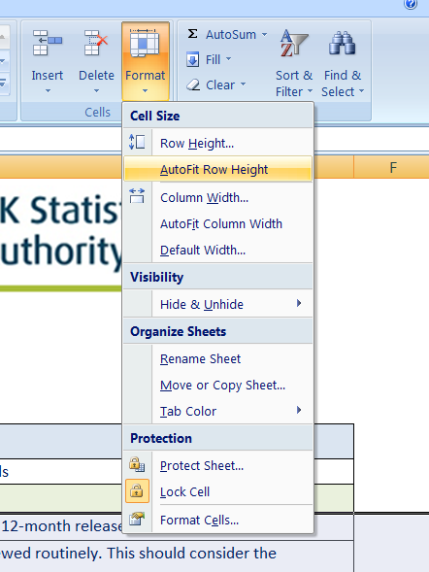

You should now be able to see the full practice wording in the results table.

